KPI Analysis1
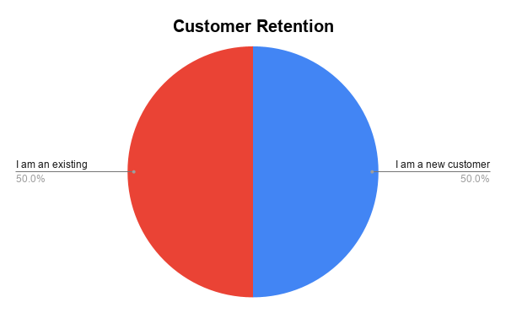
The Quiet Bite By Debby Restaurant Order & KPI Dashboard

Total Orders | New Customers | Returning Customers | Delivery Rate
6 | 3 | 3 | 100%

Average Units per Order
8.8

Requested Delivery Speed |  | Top Menu Items

Order Referral Sources

Automation Impact
Manual KPI calc time (before) |  | ~3 hours/day
Automated KPI calc time (after) |  | < 5 minutes
Kitchen notification lag |  | Instant (Slack, on submission)
Customer confirmation |  | Instant (auto-email via Gmail)

Orders by Referral Source
Top Menu Items-Unit old

